Energy Savings
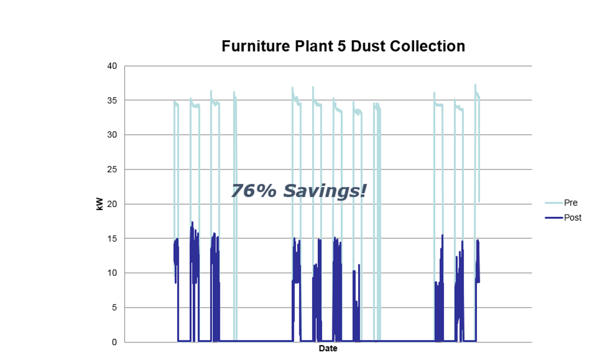
 |  |  |  |  |  |  |  | Control Your Future
Application |  | Wood, Weld, Etc |  | ADJUST HIGHLIGHTED CELLS FOR YOUR APPLICATION
STATIC SYSTEM OPERATING COSTS |  |  |  |  |  |  |  |  | REAL WORLD EXAMPLE - KW before and after install of IVEC control System
 |  | No. of Dust Collectors/Blower Motors |  |  |  |  |  |  | Note: system was shutdown on Fridays in post scenario
60 |  | Operating Hz
 |  | TOTAL HP, all Dust Collectors |  | ( example, 1-75Hp, 1-150Hp)
0.747 |  | KW conversion
0.0 |  | KW
 |  | Operating Hrs/day |  | with static system, the
 |  | Operating Days/Yr |  | blower will continuosly run
0 |  | Operating Hrs/Yr
0 |  | KWH
 |  | Rate per KW | (note, Standard Kw rate typically does not include all taxes and demand surcharges)
$0.00 |  | Total Electrical Costs - Static System

DYNAMIC SAVINGS OPPORTUNITY |  |  | TYPICAL | 50%-80%
Shift |  | Duty Cycle | Speed Reduction | Energy Reduction | Projected Annual Cost | Annual Savings | KWH Savings
TYPICAL | Y | 70% | 30% | 66% | $0 | $0 | -
CONSERVATIVE | Y | 80% | 20% | 49% | $0 | $0 | -
AGGRESSIVE | Y | 60% | 40% | 78% | $0 | $0 | -

Above does not include energy savings of recirculating conditioned
air (cooled or heated) nor capital cost savings associated with not having
to add make-up air potentially.

